Summary
Pile-up | Wall time (s) | normalized to 60
1 | 4 |  |  | Throughput | Evt. Size (bytes) |  | Normalized to Phase-1 (60)
 |  |  |  | 1.47E+13 | 367775.83187 | 11.033274956 | 0.23486307483 | ATLAS
Runtime Normalized to Phase-1 Conditions, ATLAS & CMS HLT
60 | 52 | 1 | ATLAS | 1.94E+13 | 484530.06421 | 14.535901926 | 0.24587228146
140 | 154 | 2.9615384615 | ATLAS | 2.23E+13 | 557501.45943 | 16.725043783 | 0.26055122364
200 | 283 | 5.4423076923 | ATLAS | 2.52E+13 | 630472.85464 | 18.914185639 | 0.28623937245
60 | 0.331 | 1 | CMS | 2.80E+13 | 700525.39405 | 21.015761821 | 0.29357884353
140 | 2.6 | 7.8549848943 | CMS | 3.13E+13 | 782253.35668 | 23.467600701 | 0.32293672789
200 | 5.3 | 16.012084592 | CMS | 3.40E+13 | 849387.04028 | 25.481611208 | 0.34128540561
 |  |  |  | 3.71E+13 | 928196.14711 | 27.845884413 | 0.37431302551
 |  |  |  | 3.98E+13 | 995329.83071 | 29.859894921 | 0.40000117432
 |  |  |  | 4.32E+13 | 1079976.6492 | 32.399299475 | 0.43669852976
 |  |  |  | 4.60E+13 | 1150029.1886 | 34.500875657 | 0.46605641411
 |  |  |  | 4.88E+13 | 1220081.728 | 36.602451839 | 0.5064235051
 |  |  |  | 5.17E+13 | 1293053.1232 | 38.791593695 | 0.53945112499
 |  |  |  | 5.46E+13 | 1366024.5184 | 40.980735552 | 0.58715768707
 |  |  |  | 5.79E+13 | 1447752.481 | 43.432574431 | 0.63486424914
 |  |  |  | 6.07E+13 | 1517805.0204 | 45.534150613 | 0.67523134013
 |  |  |  | 6.51E+13 | 1628721.5412 | 48.861646235 | 0.73394710884
 | MB / pu |  |  | 7.08E+13 | 1768826.62 | 53.064798599 | 0.83302996853
 | 33333.333333 |  |  | 7.46E+13 | 1865148.8616 | 55.954465849 | 0.92110362159
 |  |  |  | 8.44E+13 | 2110332.7496 | 63.309982487 | 1.0825719855
 | BX |  |  | 8.76E+13 | 2189141.8564 | 65.674255692 | 1.207342994
 | 4.00E+07 |  |  | 9.27E+13 | 2317571.512 | 69.527145359 | 1.3761508291
 |  |  |  | 9.50E+13 | 2375948.6281 | 71.278458844 | 1.4899126309
 |  |  |  | 9.78E+13 | 2446001.1675 | 73.380035026 | 1.6403717882
Runtime Normalized to Phase-1 Conditions, ATLAS & CMS HLT
 |  |  |  | 1.07E+14 | 2664915.3532 | 79.947460595 | 2.1137676734
 |  |  |  | 1.10E+14 | 2743724.46 | 82.3117338 | 2.3412912772
 |  |  |  | 1.13E+14 | 2828371.2785 | 84.851138354 | 2.5284477899
 |  |  |  | 1.16E+14 | 2889667.2504 | 86.690017513 | 2.6605582695
 |  |  |  | 1.17E+14 | 2930531.2318 | 87.915936953 | 2.8697331955
 |  |  |  | 1.20E+14 | 3000583.7712 | 90.017513135 | 3.1192752126
Run 4
HL-LHC
 |  |  |  | 1.22E+14 | 3047285.4641 | 91.418563923 | 3.3394593452
Run 5
HL-LHC
 |  |  |  | 8.00E+13 | 2000000 | 60 | 1 | CMS
 |  |  |  | 1.87E+14 | 4666666.6667 | 140 | 6.6405070933
 |  |  |  | 2.67E+14 | 6666666.6667 | 200 | 15.964080893

Runs 1-3
LHC

ATLAS
ATLAS

Pile-up | wall time (s)
11.033274956 | 6.5573770492 | 0.23486307483 |  |  | 4.166 | 0.0331
14.535901926 | 6.8647540984 | 0.24587228146
16.725043783 | 7.2745901639 | 0.26055122364
18.914185639 | 7.9918032787 | 0.28623937245 | 100 | 114.08643272
21.015761821 | 8.1967213115 | 0.29357884353 | 200 | 3124.2712746
23.467600701 | 9.0163934426 | 0.32293672789 | 300 | 85558.560862
25.481611208 | 9.5286885246 | 0.34128540561 | 400 | 2343031.9244
27.845884413 | 10.450819672 | 0.37431302551 | 500 | 64164223.235
29.859894921 | 11.168032787 | 0.40000117432 | 600 | 1757145304.1
32.399299475 | 12.192622951 | 0.43669852976 | 700 | 48119644625
34.500875657 | 13.012295082 | 0.46605641411 | 800 | 1.3177625057E+12
36.602451839 | 14.139344262 | 0.5064235051 | 900 | 3.6087091561E+13
38.791593695 | 15.06147541 | 0.53945112499 | 1000 | 9.8824953032E+14
40.980735552 | 16.393442623 | 0.58715768707
43.432574431 | 17.725409836 | 0.63486424914
45.534150613 | 18.852459016 | 0.67523134013
48.861646235 | 20.491803279 | 0.73394710884
53.064798599 | 23.258196721 | 0.83302996853
55.954465849 | 25.717213115 | 0.92110362159
63.309982487 | 30.225409836 | 1.0825719855
65.674255692 | 33.709016393 | 1.207342994
69.527145359 | 38.422131148 | 1.3761508291
71.278458844 | 41.598360656 | 1.4899126309
73.380035026 | 45.799180328 | 1.6403717882
79.947460595 | 59.016393443 | 2.1137676734
82.3117338 | 65.368852459 | 2.3412912772
84.851138354 | 70.594262295 | 2.5284477899
86.690017513 | 74.282786885 | 2.6605582695
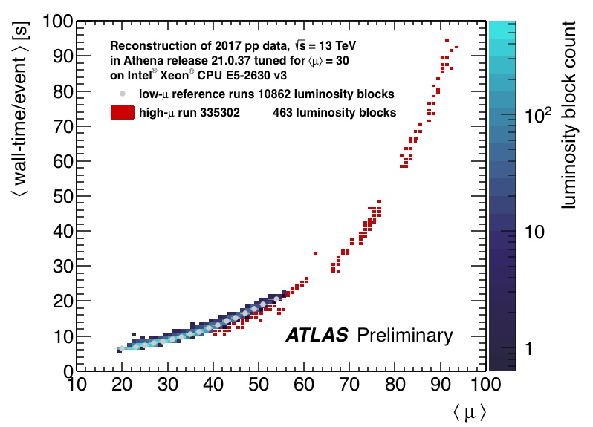
87.915936953 | 80.12295082 | 2.8697331955
90.017513135 | 87.090163934 | 3.1192752126
91.418563923 | 93.237704918 | 3.3394593452

60 | 27.92 | Fit

CMS
Pile-up | wall time (ms) | Phase-1 Relative
60 | 331.3 | 1
140 | 2200 | 6.6405070933
200 | 5288.9 | 15.964080893

